D1
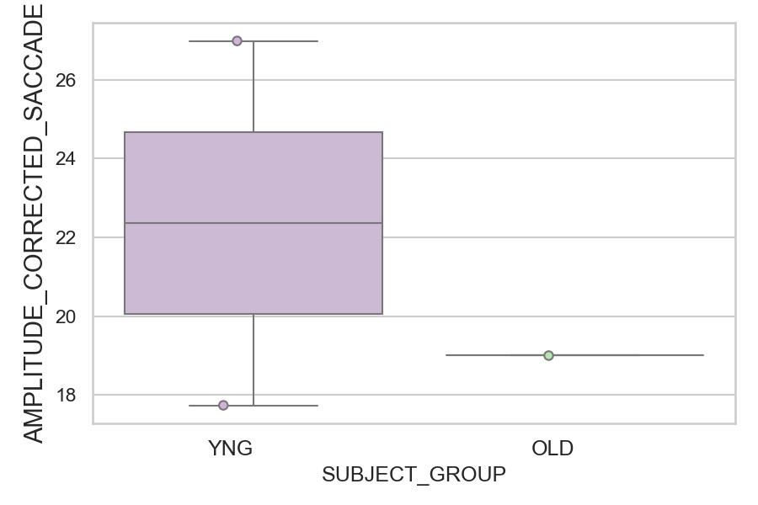
Amplitude of the corrected saccade (degrees) (mean of all trials per subject)
SUBJECT_NAME | SUBJECT_GROUP | SUBJECT_AGE | VALUE
AW001CG | YNG | 19 | 26.989311481
CP001CTA | OLD | 65 | 19.001667465
AW002AF | YNG | 19 | 17.735394585

D1 (types)
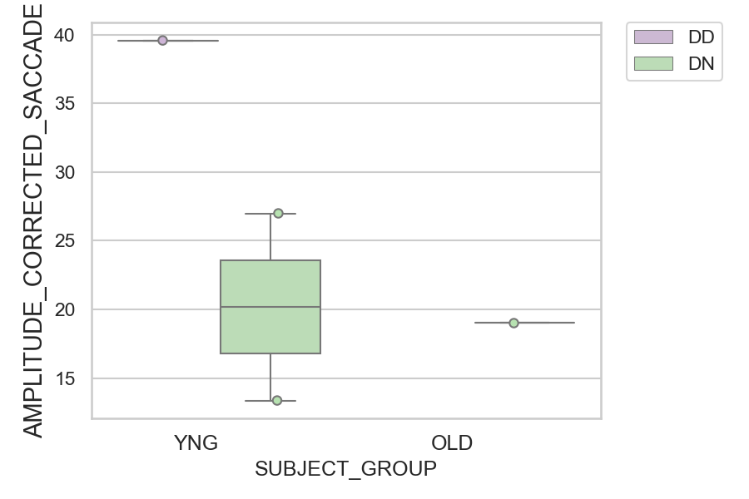
Amplitude of the corrected saccade (degrees) (mean of all trials per subject)
SUBJECT_NAME | SUBJECT_GROUP | CONDITION_APPEARANCE | SUBJECT_AGE | VALUE
AW002AF | YNG | DD | 19 | 39.573971065
AW001CG | YNG | DN | 19 | 26.989311481
CP001CTA | OLD | DN | 65 | 19.001667465
AW002AF | YNG | DN | 19 | 13.367679289
AW001CG | YNG | DD | 19
CP001CTA | OLD | DD | 65

